Problem
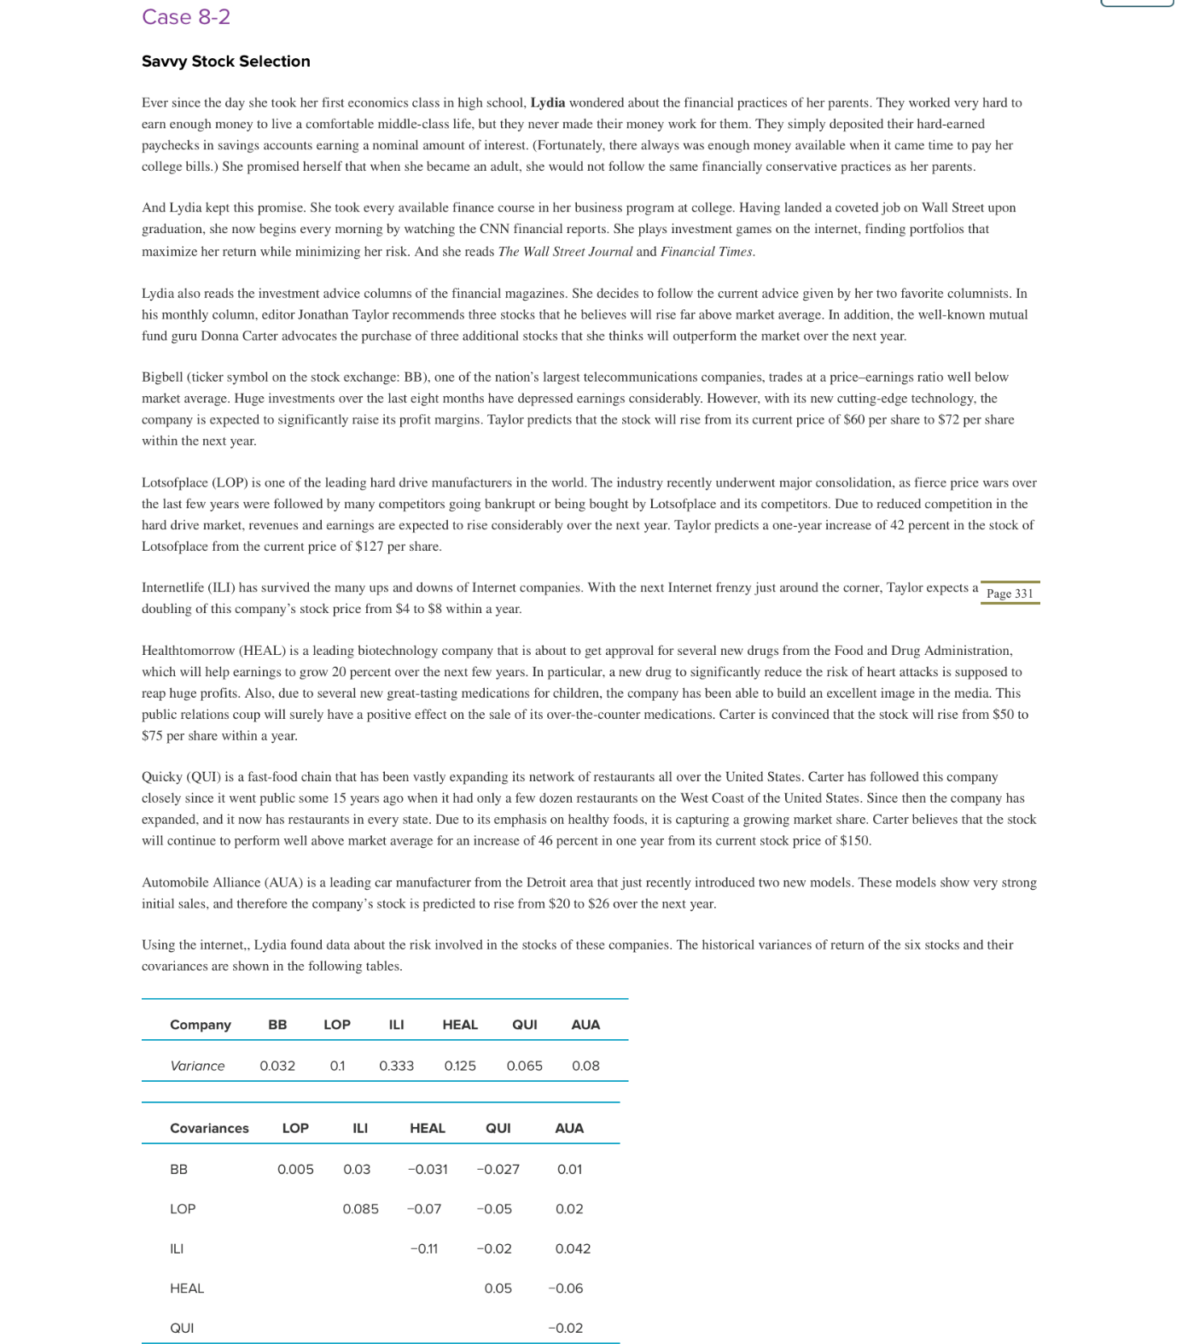
CASE 8-2
Savvy Stock Selection
Luyana Franco

